V1
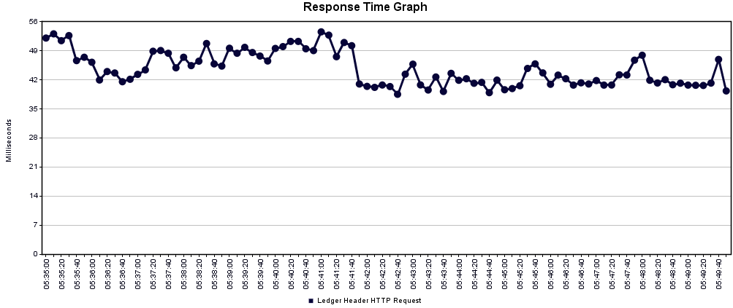
URL | https://accums-service-v1-unpreponderated -melamine.cfaa.hcsctest.net/accums-service
Number of Threads (Users) | 1
Ramp-up Period (in Seconds) | 0
Duration (Seconds) | 900
Startup Delay (Seconds) | 0
Execution Date | 2017-11-30

 |  |  |  |  |  | Summary
Label | # Samples | Average | Min | Max | Std. Dev. | Error % | Throughput | Received KB/sec | Sent KB/sec | Avg. Bytes
Accums Ledger Performance Test:Ledger Header HTTP Request | 18405 | 44 | 31 | 1053 | 17.63 | 0.00% | 20.44932 | 35.55 | 43.12 | 1780.2
TOTAL | 18405 | 44 | 31 | 1053 | 17.63 | 0.00% | 20.44932 | 35.55 | 43.12 | 1780.2

 |  |  |  |  |  | Aggregate
Label | # Samples | Average | Median | 90% Line | 95% Line | 99% Line | Min | Max | Error % | Throughput | Received KB/sec | Sent KB/sec
Accums Ledger Performance Test:Ledger Header HTTP Request | 18405 | 44 | 39 | 57 | 74 | 109 | 31 | 1053 | 0.00% | 20.44932 | 35.55 | 43.12
TOTAL | 18405 | 44 | 39 | 57 | 74 | 109 | 31 | 1053 | 0.00% | 20.44932 | 35.55 | 43.12

V2
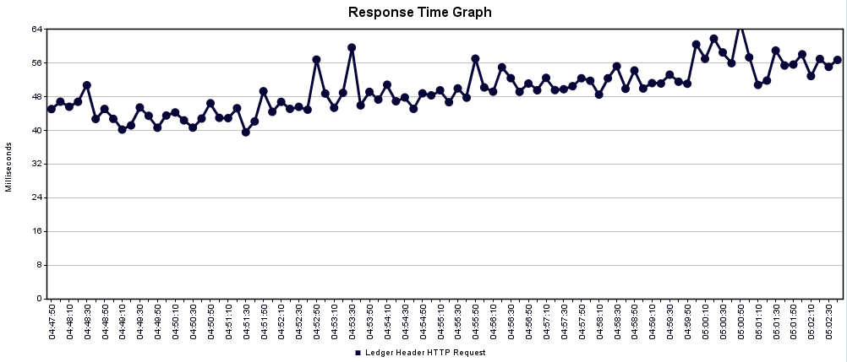
URL | https://accums-service-v1-unpreponderated -melamine.cfaa.hcsctest.net/accums-service
Number of Threads (Users) | 10
Ramp-up Period (in Seconds) | 0
Duration (Seconds) | 900
Startup Delay (Seconds) | 0
Execution Date | 2017-11-30

 |  |  |  |  |  | Summary
Label | # Samples | Average | Min | Max | Std. Dev. | Error % | Throughput | Received KB/sec | Sent KB/sec | Avg. Bytes
Accums Ledger Performance Test:Ledger Header HTTP Request | 33365 | 49 | 32 | 864 | 20.19 | 0.00% | 37.07259 | 64.46 | 78.18 | 1780.5
TOTAL | 33365 | 49 | 32 | 864 | 20.19 | 0.00% | 37.07259 | 64.46 | 78.18 | 1780.5

 |  |  |  |  |  | Aggregate
Label | # Samples | Average | Median | 90% Line | 95% Line | 99% Line | Min | Max | Error % | Throughput | Received KB/sec | Sent KB/sec
Accums Ledger Performance Test:Ledger Header HTTP Request | 33365 | 49 | 44 | 64 | 81 | 123 | 32 | 864 | 0.00% | 37.07259 | 64.46 | 78.18
TOTAL | 33365 | 49 | 44 | 64 | 81 | 123 | 32 | 864 | 0.00% | 37.07259 | 64.46 | 78.18

V3
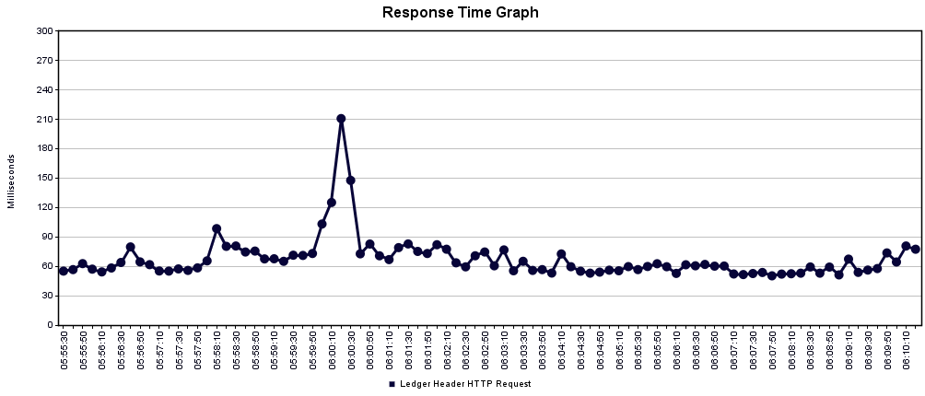
URL | https://accums-service-v1-unpreponderated -melamine.cfaa.hcsctest.net/accums-service
Number of Threads (Users) | 20
Ramp-up Period (in Seconds) | 0
Duration (Seconds) | 900
Startup Delay (Seconds) | 0
Execution Date | 2017-11-30

 |  |  |  |  |  | Summary
Label | # Samples | Average | Min | Max | Std. Dev. | Error % | Throughput | Received KB/sec | Sent KB/sec | Avg. Bytes
Accums Ledger Performance Test:Ledger Header HTTP Request | 52190 | 64 | 30 | 2806 | 54.77 | 0.00% | 57.85614 | 100.61 | 122.02 | 1780.7
TOTAL | 52190 | 64 | 30 | 2806 | 54.77 | 0.00% | 57.85614 | 100.61 | 122.02 | 1780.7

 |  |  |  |  |  | Aggregate
Label | # Samples | Average | Median | 90% Line | 95% Line | 99% Line | Min | Max | Error % | Throughput | Received KB/sec | Sent KB/sec
Accums Ledger Performance Test:Ledger Header HTTP Request | 52190 | 64 | 55 | 95 | 119 | 192 | 30 | 2806 | 0.00% | 57.85614 | 100.61 | 122.02
TOTAL | 52190 | 64 | 55 | 95 | 119 | 192 | 30 | 2806 | 0.00% | 57.85614 | 100.61 | 122.02

V4
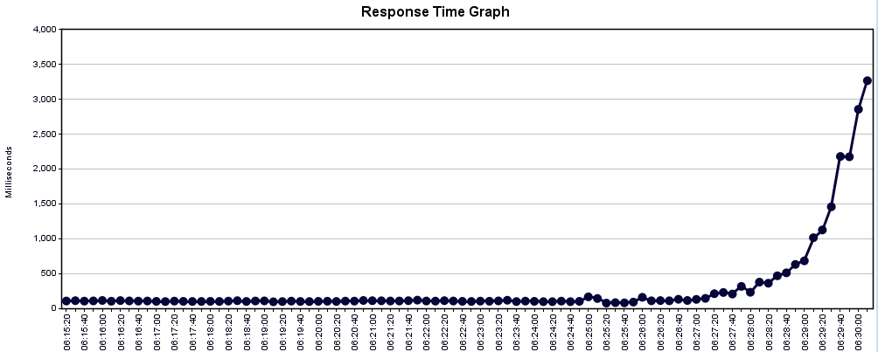
URL | https://accums-service-v1-unpreponderated -melamine.cfaa.hcsctest.net/accums-service
Number of Threads (Users) | 40
Ramp-up Period (in Seconds) | 0
Duration (Seconds) | 900
Startup Delay (Seconds) | 0
Execution Date | 2017-11-30

 |  |  |  |  |  | Summary
Label | # Samples | Average | Min | Max | Std. Dev. | Error % | Throughput | Received KB/sec | Sent KB/sec | Avg. Bytes
Accums Ledger Performance Test:Ledger Header HTTP Request | 54832 | 124 | 30 | 54629 | 373.61 | 0.00% | 60.80533 | 105.74 | 128.24 | 1780.7
TOTAL | 54832 | 124 | 30 | 54629 | 373.61 | 0.00% | 60.80533 | 105.74 | 128.24 | 1780.7

 |  |  |  |  |  | Aggregate
Label | # Samples | Average | Median | 90% Line | 95% Line | 99% Line | Min | Max | Error % | Throughput | Received KB/sec | Sent KB/sec
Accums Ledger Performance Test:Ledger Header HTTP Request | 54832 | 124 | 95 | 154 | 178 | 328 | 30 | 54629 | 0.00% | 60.80533 | 105.74 | 128.24
TOTAL | 54832 | 124 | 95 | 154 | 178 | 328 | 30 | 54629 | 0.00% | 60.80533 | 105.74 | 128.24

V5
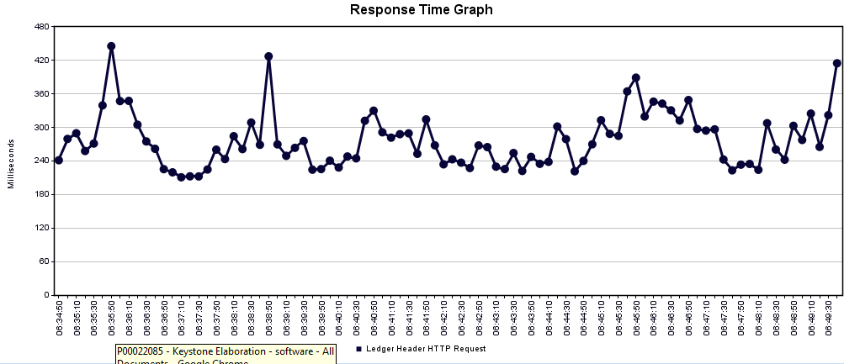
URL | https://accums-service-v1-unpreponderated -melamine.cfaa.hcsctest.net/accums-service
Number of Threads (Users) | 60
Ramp-up Period (in Seconds) | 0
Duration (Seconds) | 900
Startup Delay (Seconds) | 0
Execution Date | 2017-11-30

 |  |  |  |  |  | Summary
Label | # Samples | Average | Min | Max | Std. Dev. | Error % | Throughput | Received KB/sec | Sent KB/sec | Avg. Bytes
Accums Ledger Performance Test:Ledger Header HTTP Request | 52221 | 270 | 34 | 3241 | 164.58 | 0.00% | 58.01076 | 100.88 | 122.35 | 1780.6
TOTAL | 52221 | 270 | 34 | 3241 | 164.58 | 0.00% | 58.01076 | 100.88 | 122.35 | 1780.6

 |  |  |  |  |  | Aggregate
Label | # Samples | Average | Median | 90% Line | 95% Line | 99% Line | Min | Max | Error % | Throughput | Received KB/sec | Sent KB/sec
Accums Ledger Performance Test:Ledger Header HTTP Request | 52221 | 270 | 248 | 406 | 485 | 704 | 34 | 3241 | 0.00% | 58.01076 | 100.88 | 122.35
TOTAL | 52221 | 270 | 248 | 406 | 485 | 704 | 34 | 3241 | 0.00% | 58.01076 | 100.88 | 122.35

